Statistical Measures

Y vs. X
 | X | Y | SCATTER PLOT Y vs. X | Optional
 | 12 | 77 |  |  | xi - x̄ | yi - ȳ | (xi - x̄)^2 | (yi - ȳ)^2 | (xi - x̄)*(yi - ȳ)
 | 16 | 64 |  |  | -1.75 | 18.92 | 3.06 | 357.84 | -33.10
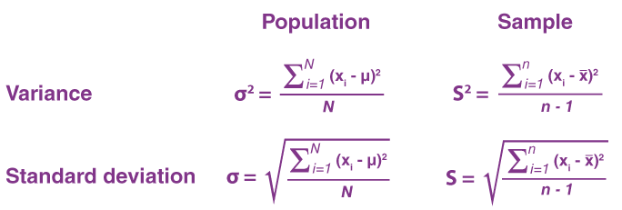
 | 18 | 53 |  |  | 2.25 | 5.92 | 5.06 | 35.01 | 13.31
 | 20 | 21 |  |  | 4.25 | -5.08 | 18.06 | 25.84 | -21.60
 | 19 | 84 |  |  | 6.25 | -37.08 | 39.06 | 1375.17 | -231.77
 | 7 | 90 |  |  | 5.25 | 25.92 | 27.56 | 671.67 | 136.06
 | 15 | 26 |  |  | -6.75 | 31.92 | 45.56 | 1018.67 | -215.44
 | 16 | 46 |  |  | 1.25 | -32.08 | 1.56 | 1029.34 | -40.10
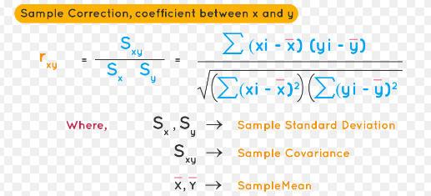
 | 12 | 33 |  |  | 2.25 | -12.08 | 5.06 | 146.01 | -27.19
Use the data to calculate the following measures. (All measures shown in red) | 10 | 85 |  |  | -1.75 | -25.08 | 3.06 | 629.17 | 43.90
 | 9 | 72 |  |  | -3.75 | 26.92 | 14.06 | 724.51 | -100.94
 | 11 | 46 |  |  | -4.75 | 13.92 | 22.56 | 193.67 | -66.10
COUNT Function | 12 | 12 | COVARIANCE Calculation | -46.34 | -2.75 | -12.08 | 7.56 | 146.01 | 33.23
SUM Function | 165 | 697 | COVARIANCE Function | -46.34 | ∑ |  | 192.25 | 6352.92 | -509.75
MODE Function | 12 | 46 | CORRELATION Calculation | -0.46
MEDIAN Function | 13.50 | 58.50 | CORRELATION Function | -0.46 |  |  | X | Y
MEAN Calculation | 13.75 | 58.08 |  |  | VARIANCE |  | 17.48 | 577.54
MEAN Function | 13.75 | 58.08 |  |  | STANDARD DEV |  | 4.18 | 24.03
MIN Function | 7 | 21 |  |  | COVARIANCE |  | -46.34
MAX Function | 20 | 90 |  |  | CORRELATION |  | -0.46
RANGE Calculation | 13 | 69
Q1 Function | 10.75 | 42.75
Q2 Function | 13.5 | 58.5
Q3 Function | 16.5 | 78.75
IQR Calculation | 5.75 | 36
VARIANCE Calculation* | 17.48 | 577.54
VARIANCE Function | 17.48 | 577.54
STANDARD DEV Calculation* | 4.18 | 24.03
STANDARD DEV Function | 4.18 | 24.03
SKEWNESS Function | -0.01287766638 | -0.191540125
KURTOSIS Function | -1.183534705 | -1.401790616

*Sample or population, both will be accepted

